Summary Dashboard
Risk–Return Analysis of Tech Stocks (2015–2023)
I pulled monthly adjusted closing prices (Jan 2015–Dec 2023) for Apple (AAPL), Microsoft (MSFT), Netflix (NFLX), Amazon (AMZN) and Alphabet/Google (GOOGL) from Yahoo Finance using Python (yfinance). I calculated monthly percentage returns, then annualised both returns and volatility (standard deviation × √12). A Sharpe ratio (risk‑free rate = 3% p.a.) compared risk‑adjusted performance. To assess the COVID-19 shock, I compared annualised volatility in 2019, 2020 and 2021.

1. Microsoft delivered the best risk‑adjusted performance (Sharpe ≈ 1.21) — ~29% annual return with the lowest volatility (~21.7%).
2. Netflix had the highest raw return (~32.6% p.a.) but also the highest volatility (~42.5%), so investors weren’t fully compensated for the extra risk (Sharpe ≈ 0.69).
3. Volatility spiked in 2020 for most stocks — Apple jumped the most (≈0.24 → 0.40). Netflix actually became calmer as lockdown streaming demand stabilised.
4. Risk‑averse investors should favour MSFT (and maybe GOOGL), while risk‑seekers might tilt toward NFLX or AMZN—but with small, controlled positions.

Key Statistics

Best Risk‑Adjusted Performer (Sharpe Ratio)
Microsoft (Sharpe ≈ 1.21) ranked first. It delivered ~29% annualised return with the lowest volatility (~21.7%). Apple and Amazon sat in the middle (Sharpe ≈ 0.83). Netflix’s raw return (~32.6%) was highest, but volatility (~42.5%) dragged its Sharpe to ≈0.69.
Takeaway: MSFT gave the most return per unit of risk.
COVID‑19 Volatility Shock

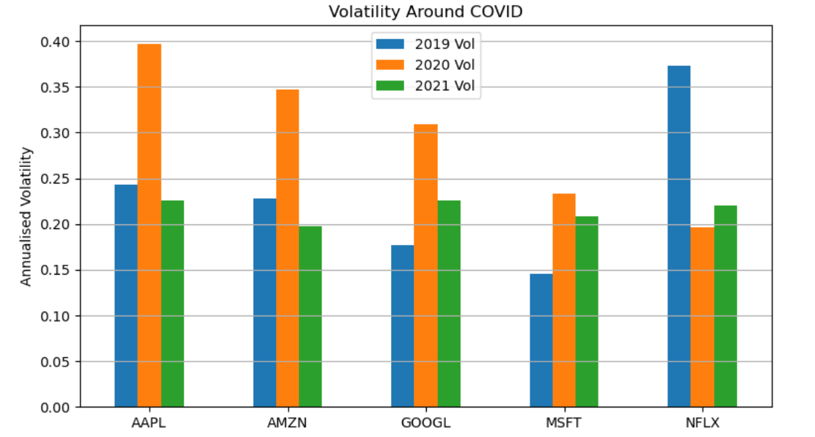
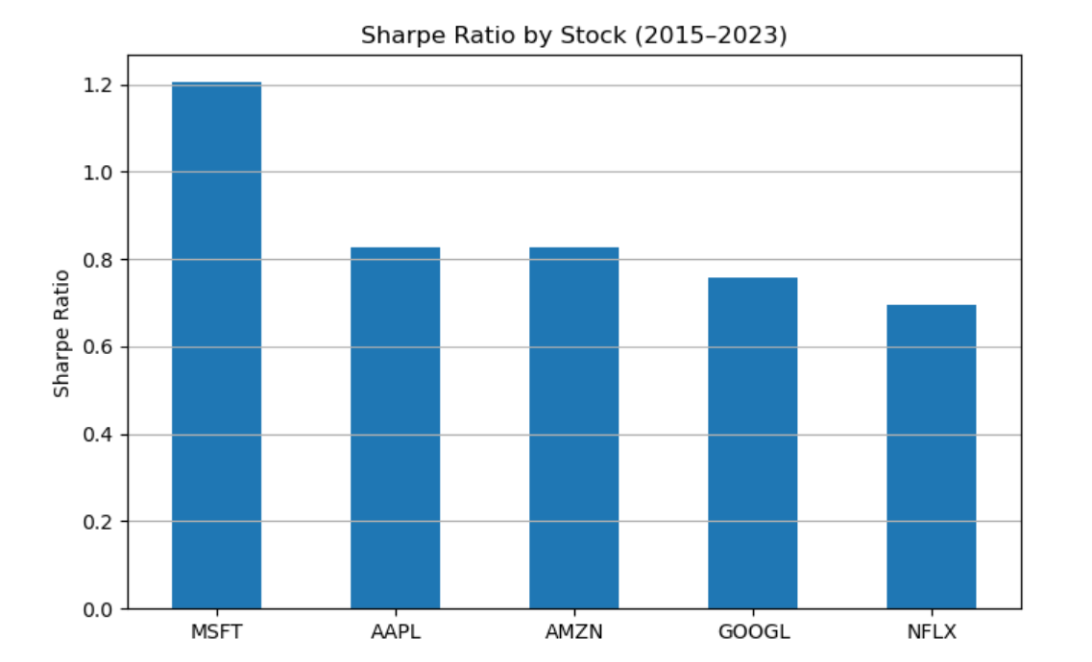



Volatility jumped for most stocks in 2020. Apple spiked the most (≈0.24 → 0.40), reflecting supply-chain and demand uncertainty. Microsoft’s rise was modest (≈0.15 → 0.23), staying the calmest. Netflix actually fell (≈0.37 → 0.20) as streaming demand became predictable.
Amazon and Google both saw clear spikes then normalised in 2021.

Risk–Return Trade-off
The scatter plot shows the classic pattern: higher returns usually came with higher volatility (NFLX, AMZN). Microsoft sits off that line—high return without matching risk—making it the “efficient” choice. Google offered the lowest return with relatively low risk, fitting a conservative tech allocation.

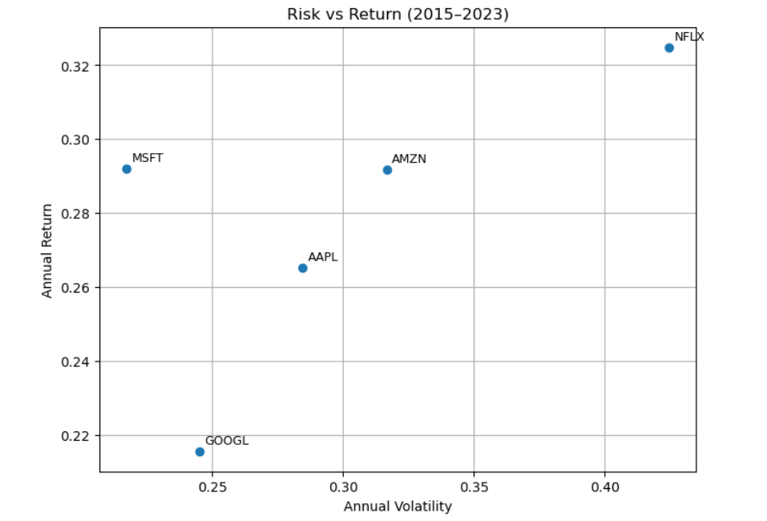

Investor Personas & Recommendations
Cautious Carla (“safety first”): Microsoft (MSFT) is ideal—high returns with the lowest volatility. Google (GOOGL) is a close second for conservative tech exposure.
Balanced Ben (“growth with restraint”): Apple (AAPL) or Amazon (AMZN) offer strong returns (~26–29% p.a.) at moderate volatility (~28–32%).
Adrenaline Alex (“go big or go home”): Netflix (NFLX) delivers the highest upside (~32.6% p.a.) but with significant swings (volatility ~42.5%). Limit sizing and combine with steadier names.

